Category
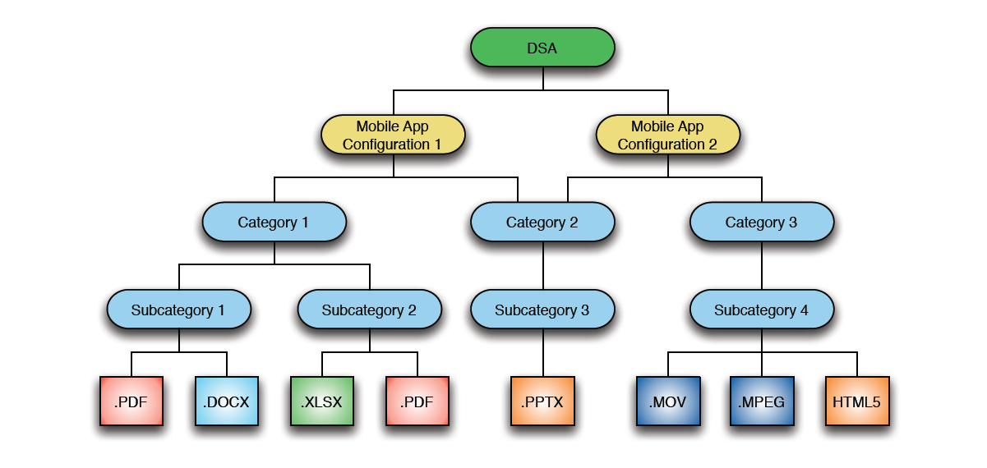
Category Name | Background Image Filename
Category 1 | Category Background Image.jpeg
Category 2
Category 3
Category 4

 | iPad 3+ (retina)
 | 1624 x 1224 landscape
 | 1536 x 1246 portrait
 | iPad 1,2 (standard)
 | 812 x 612 landscape
 | 768 x 623 portrait

Application Images
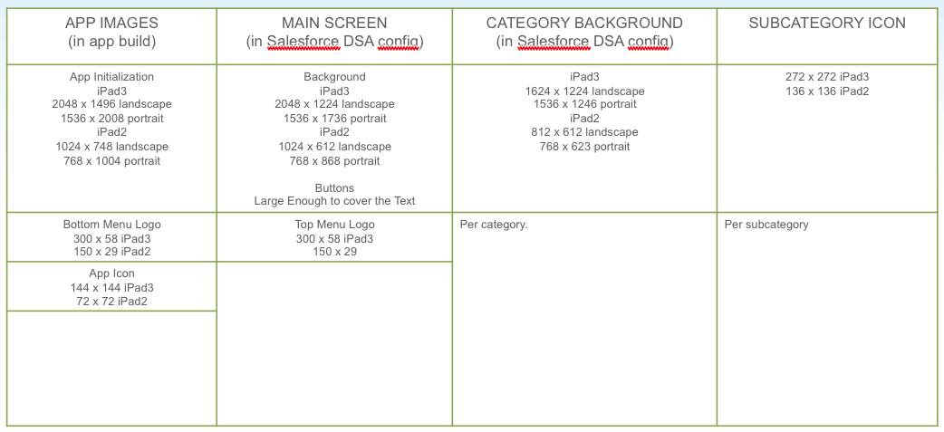
Image Location | Size | Filename
Splash Screen (horizontal) | 1024x748 | splash.jpg
Splash Screen (horizontal - retina) | 2048x1496
Splash Screen (vertical) | 1536x2008
Splash Screen (vertical - retina) | 768x1004
Top Menu Logo (retina) | 300x58
Top Menu Logo | 150x29
Bottom Menu Logo (retina) | 300x58
Bottom Menu Logo | 150x29
App Icon (retina) | 144x144
App Icon | 72x72

